Tracking Data
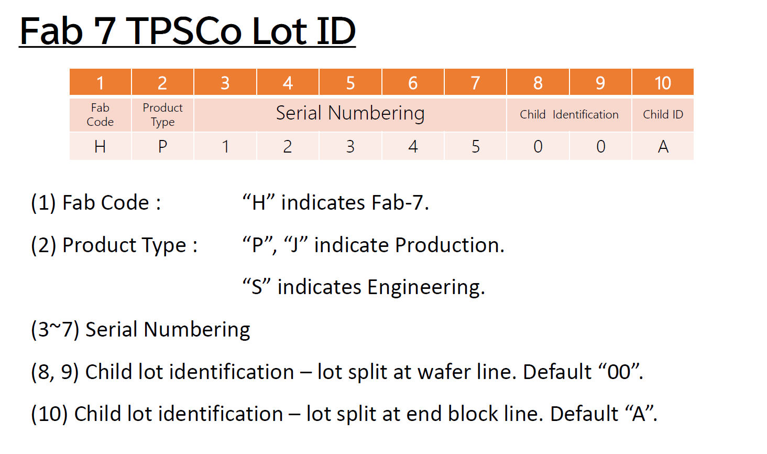
TD (Tracking Data) field coding

Field | #bytes | Format | Comment |  | example
lot_no | 6 | 0xXXXX_XXXX_XXXX | Fab Lot Number | 6 digits/characters lot# coded as ascci value of the digit/character | S/P12345 => 53 /50 31 32 33 34 35
wafer_no | 1 | 0xXX | Wafer Number | numeric value, hexadecimal | W#1 -> 0x01 W#25 -> 0x19
x_coordinate | 1 | 0xXX | Die X Coordinate | numeric value, hexadecimal | X=1 -> 0x01 X=100 -> 0x64
y_coordinate | 1 | 0xXX | Die Y Coordinate | numeric value, hexadecimal | Y=1 -> 0x01 Y=100 -> 0x64
Fab Location + process type | 1 | 0x48 | fab_location + process type | Ascci value of fab code H -> 0x48 | fixed 0x48
tracking_crc | 2 | 0xXXXX | Tracking CRC: 2 bytes | CRC16-CCITT over previous 10 bytes | 53 31 32 33 34 35 01 01 01 48 -> 65 B3

Tower lot identifier

